Getting Started
Hey There,
Thanks for downloading the free Estimate Templates from FieldPulse!
Here are directions to get your started:
Click to the estimate worksheet
Update your company name, address and phone
Update your customer information including name, address, phone and email
Update the estimate with item/description, quanity, tax, price and pax rate.
Save as "PDF" to create a PDF of the estimate to send to customer
Save file
Best,
The FieldPulse Team

We can offer you something better than an excel spreadsheet!

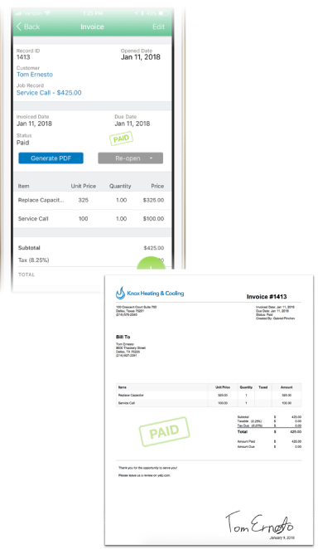
Check out FieldPulse, the all-in-one contractor software to manage your business. If you are in the office or on the go, equip your team with the tools to manage customers, schedule jobs, create estimates and invoices, track employee time and location and much more.
Create beautiful, itemized estimates and invoices. Send them to customers with a tap, and get paid on the spot.
Achieve a paperwork game that’s better than companies ten times your size. FieldPulse helps you avoid errors that cost you income and confuse customers. No more guessing, just predictable income, job after job.

Get Started with FieldPulse 14-Day Free Trial

